Sheet1
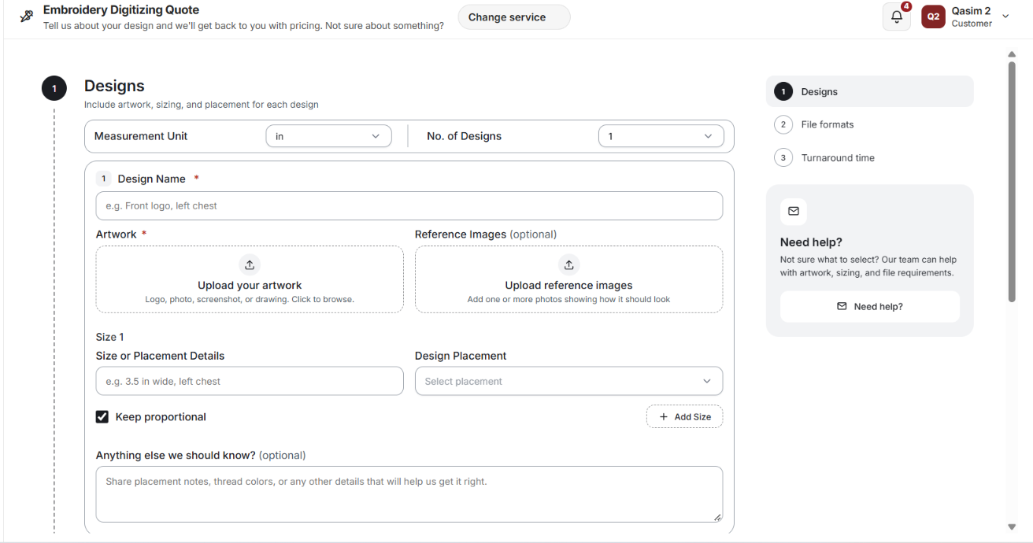
 |  |  |  |  |  |  |  |  | 1 | Please upload your artwork and provide your design specifications to receive a quote.
 |  |  |  |  |  |  |  |  |  | Add artwork, size, and placement for each design.
 |  |  |  |  |  |  |  |  | Measurement Unit--------Units

 |  |  |  |  |  |  |  |  | Design Name placeholder-------e.g. Business logo, Family name sign, or Floral design

 |  |  |  |  |  |  |  |  | Reference upload helper--------Upload examples of how you’d like the design to look.
 |  |  |  |  |  |  |  |  | Keep proportional--------Keep original proportions

 |  |  |  |  |  |  |  |  | Add Size---------Add another size

 |  |  |  |  |  |  |  |  | Notes placeholder------------Tell us about thread colors, special instructions, or anything else we should know.

 | size or placement details ( Mandatory)
 | Deisgn placement ( recommended)

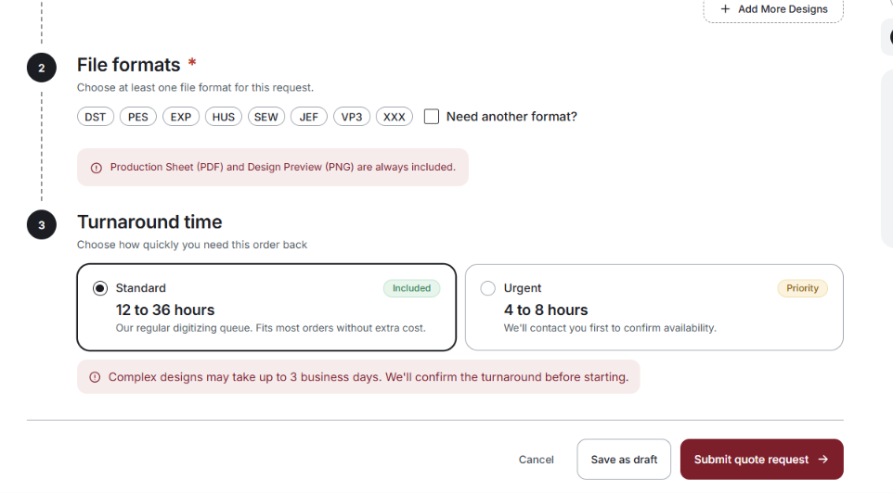
 |  |  |  |  |  |  | 1 | Your saved file preferences will be applied automatically. If you have not saved any preferences, please select the required formats below.

 |  |  |  |  |  |  |  | Need another format?------Other format

 |  |  |  |  |  |  |  | A production sheet (PDF) and design preview (PNG) are included with every order.

 |  |  |  |  |  |  |  | Choose how quickly you need this order back------Select your preferred turnaround time.

 |  |  |  |  |  |  |  | Our regular digitizing queue. Fits most orders without extra cost.-------Standard turnaround at no additional charge.

 |  |  |  |  |  |  |  | We’ll contact you first to confirm availability.Subject to availability. Additional charges may apply.

 |  |  |  |  |  |  |  | Turnaround begins once payment is received and all required design details are confirmed.

 |  |  |  |  |  |  |  | Complex designs may require more time than indicated. The estimated turnaround will be confirmed in your quote.

 |  |  |  | 1- | change red color of the production seet an dpng into something else red is for warning
 |  |  |  | 2- | formats are only mandorty if not preselected in setting profile.

 |  |  |  |  |  | Vector and print

 |  | Form titleVector & Print Artwork Quote

 | Top descriptionPlease upload your artwork and provide your design specifications to receive a quote.

 | Step 1 Designs
 | Step 1 description Select the required service and add artwork, size, and requirements for each design.
 | when select other please ( show another field)

 | Name placeholder |  |  |  | Company logo or Custom artwork.

 | Artwork upload Upload your artwork
 | Artwork helper PNG, JPG, PDF, AI, EPS, or SVG.
 | Reference label Reference images (optional)
 | Reference uploadUpload reference images
 | Reference helper Upload examples of your preferred style or result.
 | Preferences heading Artwork preferences
 | Preferences helper If unsure, our team will select the appropriate settings.
 | Size field-------------Design size ( Optional )
 |  | Size placeholder e.g. 12 inches wide
 |  |  |  |  | ( please add another size ) optiona s well
 | Notes label Anything else we should know? (optional)

 | Notes placeholder Provide color preferences, special instructions, or additional requirements.

 | File formats

 | Your saved file preferences will be applied automatically. If you have not saved any preferences, please select the required formats below.

 |  |  |  | remove Prrof preview

 | add |  | A design preview is included with every order.

 | For Turnaround time, use the same copy across all three forms

Form title----------------------------Cutting & Engraving Files Quote

Top description--------------Please upload your artwork and provide your design specifications to receive a quote.

Designs. |  |  | Select the required service and add artwork, size, and requirements for each design.

Design name placeholder |  |  |  |  | e.g. Family name sign or Custom plaque

Reference helper-------------Upload examples of your preferred style or result.

Size & Placement Details----------------------Size & placement details

Size placeholder------------------e.g. 12 inches wide, engraving centered

Add Size------------Add another size

Tell us about your project------------------Anything else we should know? (optional)

Notes placeholder----------------------Specify the material, thickness, cutting lines, engraving areas, or other requirements.

